ATS-LAYER8
LAYER8 MEN'S SHOES- ATS
Style # | Description | Color | Color Code | Warehouse Code | PACKAGING | AT-ONCE | SIZE | QTY
SHOES
 |  |  |  |  | INDIVIDUAL POLYBAG EGG-CRATE
L88888 | KEVIN | JET BLACK | JTB | MDS | 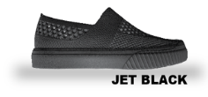 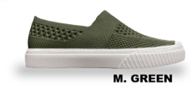 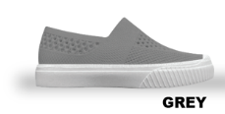 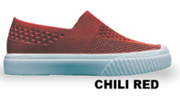 | 12 | 7 | 1
 |  | JET BLACK | JTB | RDR |  | 26,015 | 8 | 2
 |  | M. GREEN | MNJ | MDS |  | 984 | 8.5 | 1
 |  | M. GREEN | MNJ | RDR |  | 11,532 | 9 | 2
 |  | GREY | GRY | RDR |  | 4,008 | 9.5 | 1
 |  | CHILI RED | XGX | RDR |  | 2,508 | 10 | 1
 |  | CHARCOAL | CHA | MDS |  | 5,040 | 10.5 | 1
 |  | CHARCOAL | CHA | RDM |  | 4,968 | 11 | 1
 |  | BLACK | BLA | MDS |  | 1,008 | 12 | 1
 |  | BLACK | BLA | RDR |  | 19,894 | 13 | 1
 |  | NAVY | NVY | MDS |  | 300 |  | 12 PIECES
 |  | NAVY | NVY | RDR |  | 9,708
 |  | WHITE | WHT | MDS |  | 4,500
 |  | WHITE | WHT | RDR |  | 504
 |  |  |  |  |  | 90,981
 |  |  |  |  | INDIVIDUAL POLYBAG EGG-CRATE
L88225 | BREEZY | BLACK/WHITE | B/W | RDR | 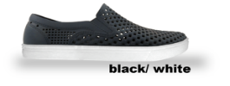 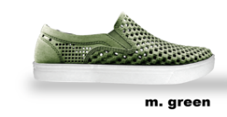 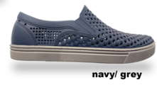 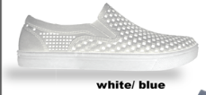 | 7,776 | 7 | 1
 |  | M.GREEN | MNJ | JMR |  | 131 | 8 | 2
 |  | M.GREEN | MNJ | MNJ |  | 3,720 | 8.5 | 1
 |  | NAVY/GREY | 4MY | JMR |  | 347 | 9 | 2
 |  | NAVY/GREY | 4MY | RDR |  | 4,524 | 9.5 | 1
 |  | WHITE | WHT | JMR |  | 311 | 10 | 1
 |  | WHITE | WHT | RDR |  | 2,520 | 10.5 | 1
 |  |  |  |  |  | 19,329 | 11 | 1
 |  |  |  |  |  |  | 12 | 1
 |  |  |  |  |  |  | 13 | 1
 |  |  |  |  |  |  |  | 12 PIECES

